Hiearchy View
Class: HDD ARRAY STORAGE
data storage system for block-based storage, file-based storage, or object storage. | 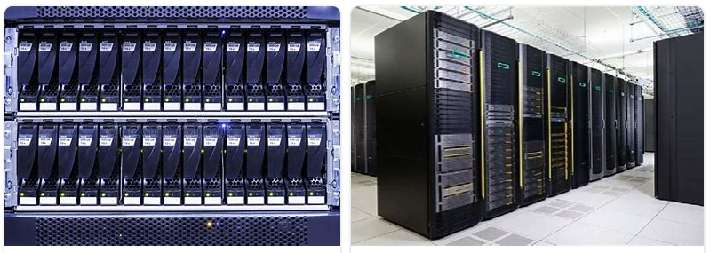
REMOVE | N

PROBLEM_DESC | CAUSE_DESC | REMEDY_DESC
ALARM/SENSOR
BROKEN/DAMAGED
LEAKING
LIGHTING
NOISE
OTHER PROBLEM
OVERHEATING
PESTS
POWER-ELEC
PRESSURE
SMELL
STOPPED/SLOWED/POOR OPS
TEMP-CTRL
VIBRATION
Grand Total

